Sheet1
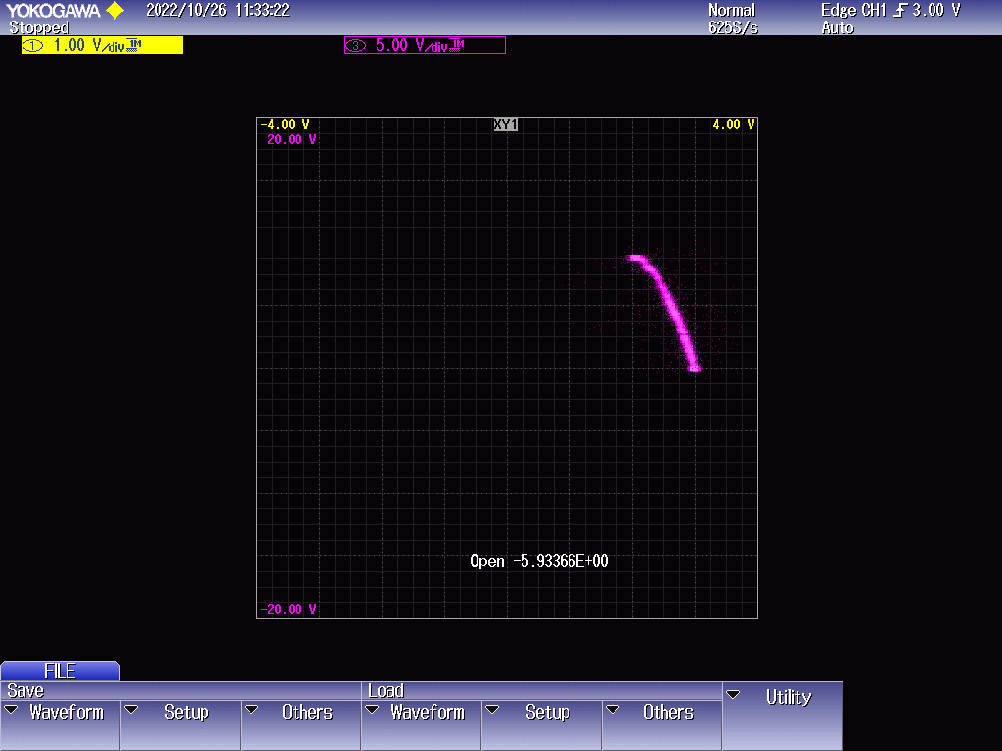
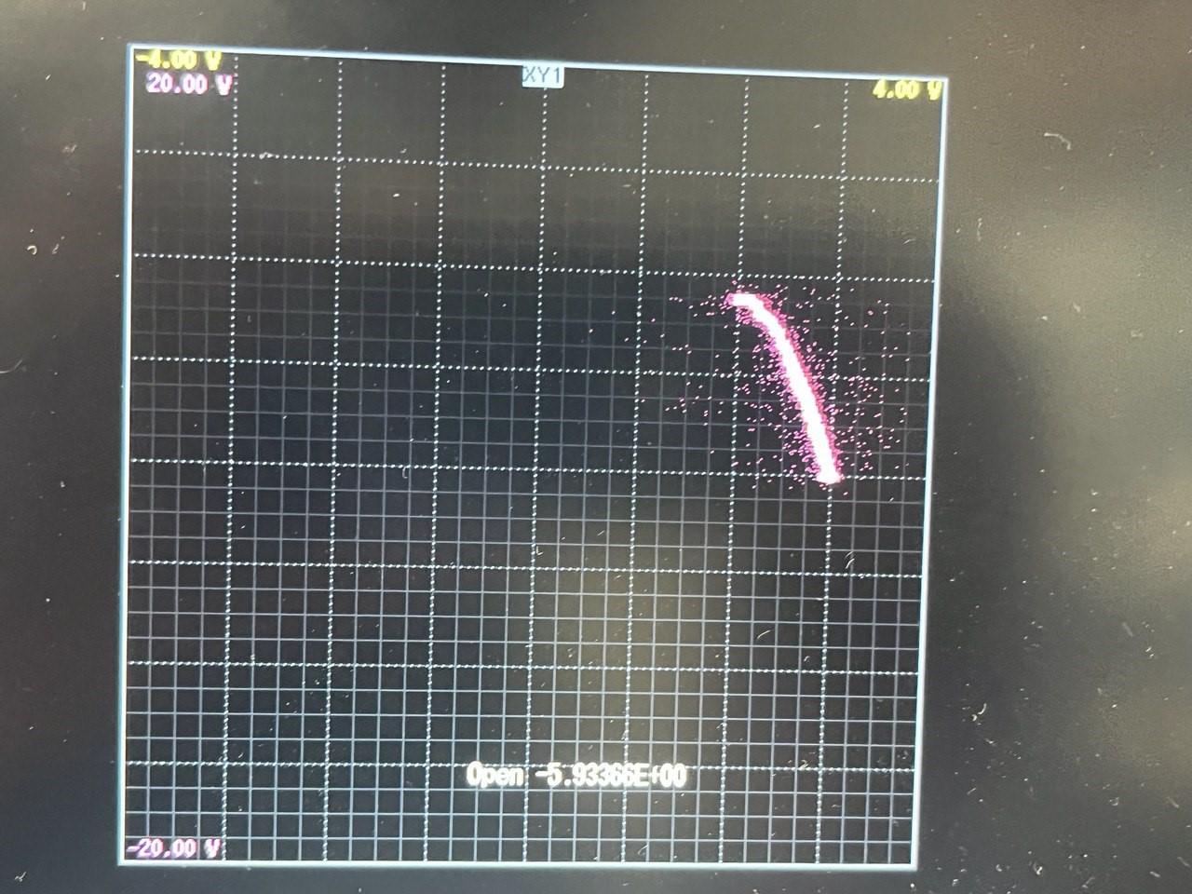
Expt 1
Load Torque | Motor speed/rpm
0 | 1467
0.32 | 1439
0.6 | 1410
0.89 | 1379
1.19 | 1342
1.52 | 1294
1.8 | 1249
2.09 | 1180
2.46 | 1068

Voltage against Frequency (Close Loop)
Expt 2 Open PARMS |  |  |  | Expt 2 Closed PARMS
frequency | input voltage | vf ratio | speed | frequency | input voltage | vf ratio | speed
5 | 40 | 8 | 120 | 5 | 80 | 16 | 143
10 | 70 | 7 | 260 | 10 | 100 | 10 | 284
20 | 110 | 5.5 | 536 | 20 | 190 | 9.5 | 581
30 | 150 | 5 | 818 | 30 | 280 | 9.3333333333 | 878
40 | 195 | 4.875 | 1105 | 40 | 370 | 9.25 | 1176
50 | 235 | 4.7 | 1394 | 50 | 400 | 8 | 1469
60 | 240 | 4 | 1626 | 60 | 405 | 6.75 | 1754

